(Q3) Implied Volatility
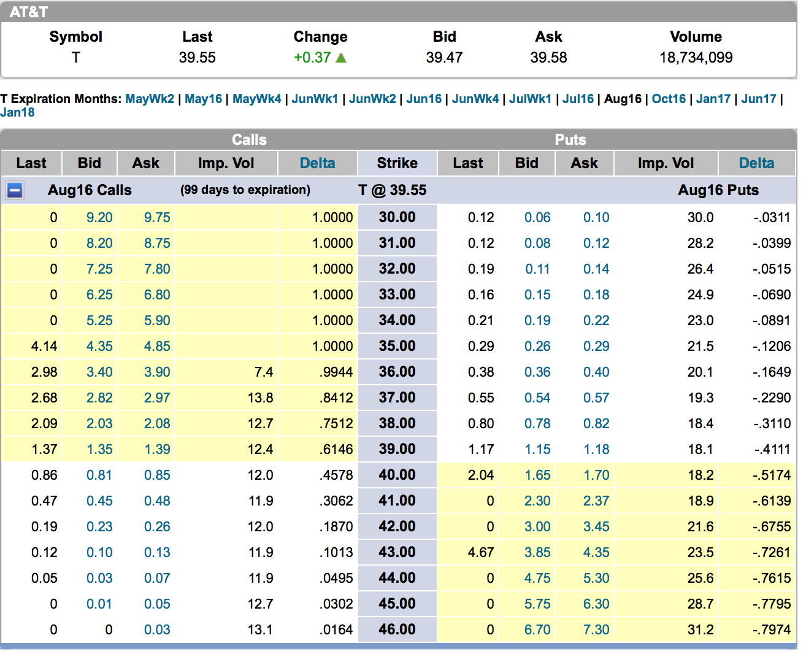
Inputs |  | Outputs
Intial Stock Price (S0) | $39.18 | d1 | -0.055599
Dividend Rate (q) | 4.95% | d2 | -0.140856
Risk Free Rate (r ) | 0.53% | Implied Volatility | 15.73%
Implied Volatility (σ) | 15.73% | Solver Check | $1.15
Time Period (T) | 0.29365079365
Lowest OTM Strike Price (K) | $39.00 | Target Cell
Call Option Premium Target (via CBOE) | $1.09 | Call Option Premium (c ) | $1.15

 | USE SOLVER

